Payout summary 10042025
Overschrijving | P-001 | Te ontvangen rekening
beschrijving | Payout request from Topstep | Begunstigde | Filip Weytjens
Datum | 2025-04-11
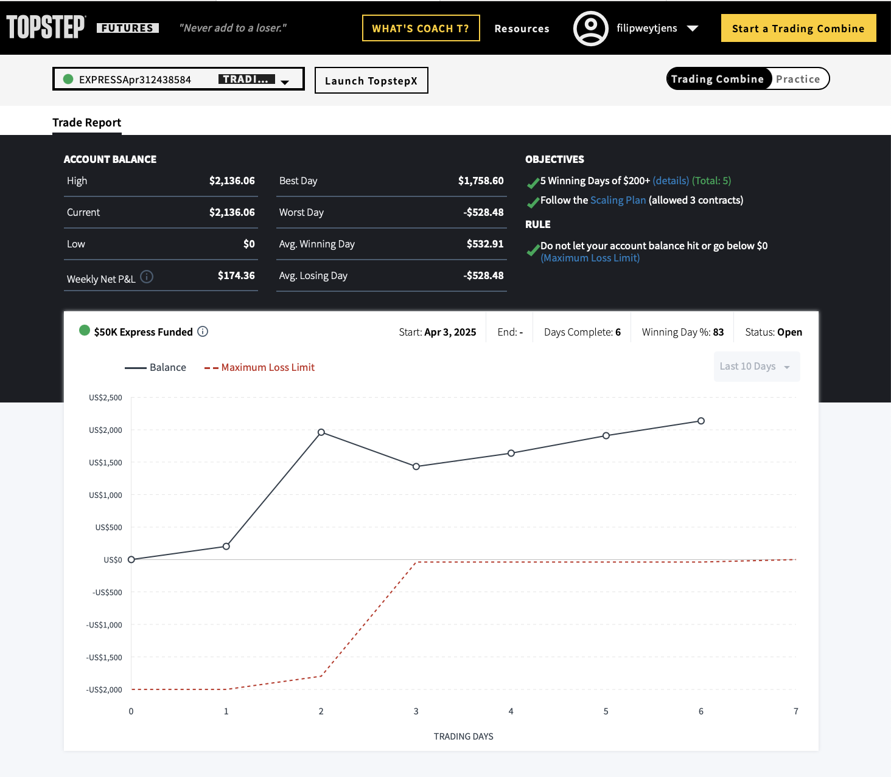
 |  |  | Account provider | Topstep
 |  |  | Account number | EXPRESSApr312438584
 |  |  | Starting balance | -
 |  |  | PnL | $2,362.50
 |  |  | comission | $-226.44
 |  |  | Last daily balance | $2,136.06
 |  |  | Payout request | $1,050.00
 |  |  | Balance for next period | $1,086.06

